Sheet1
 |  | Document No. | Issue No. | Issue Date |  | Review and Replace Date |  | Authorised By
 |  | GFF326MC | 1 | 05.10.2021 |  | New Issue |  | Magda Shah
 |  | Document Title | VEGAN PARTY BOX 840G

Document amendments reason for change |  | new document | Page 1 of 1 |  | Previous Issue Date |  | New Issue | Uncontrolled copy unless signed original

CVEGB-B4TEB | BOOTHS - AYR PARTY BOX |  |  | VEGAN PARTY BOX 840G | CHILLED
PRODUCT 1 |  |  |  |  | PRODUCT 2
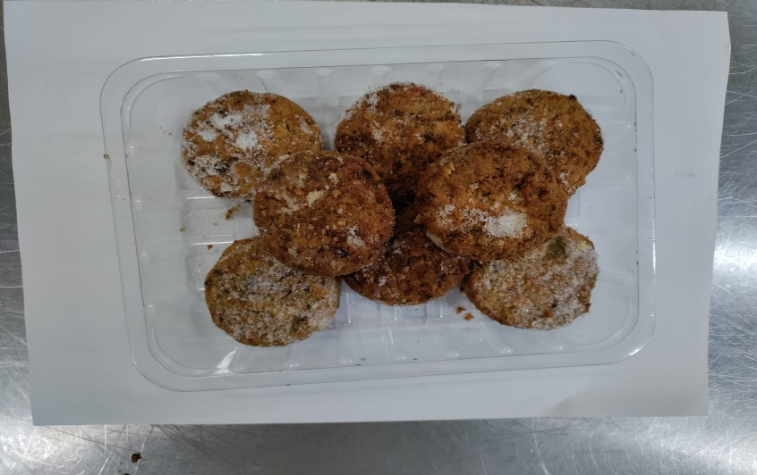 |  |  |  |  | 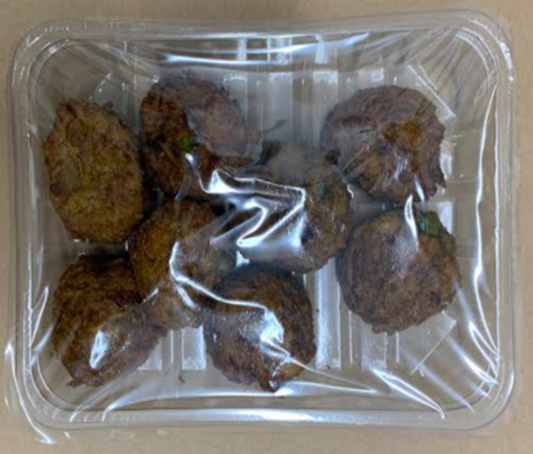

8 x MUSHROOM BHAJI (GFF338R) 30g: (240g) |  |  |  |  | 8 x VEGETABLE PAKORA (GFF122R) 30g: (240g)
Tray: SK4 - Plain Clear (PKESS001-07) |  |  |  |  | Tray: SK4 - Plain Clear (PKESS001-07)
Film: ME410AFV2 (PKPRO001-10) |  |  |  |  | Film: ME410AFV2 (PKPRO001-10)
Allergens: none |  |  |  |  | Allergens: none
PRODUCT 3 |  |  |  |  | PRODUCT 4
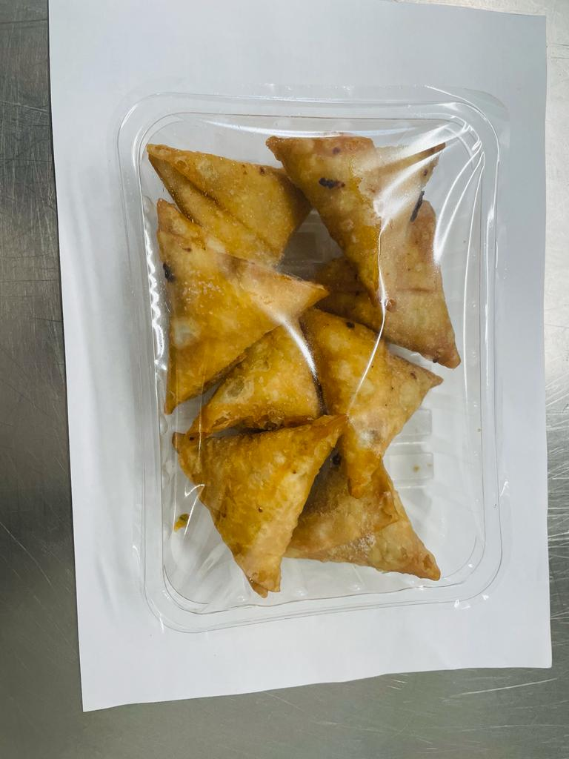 |  |  |  |  | 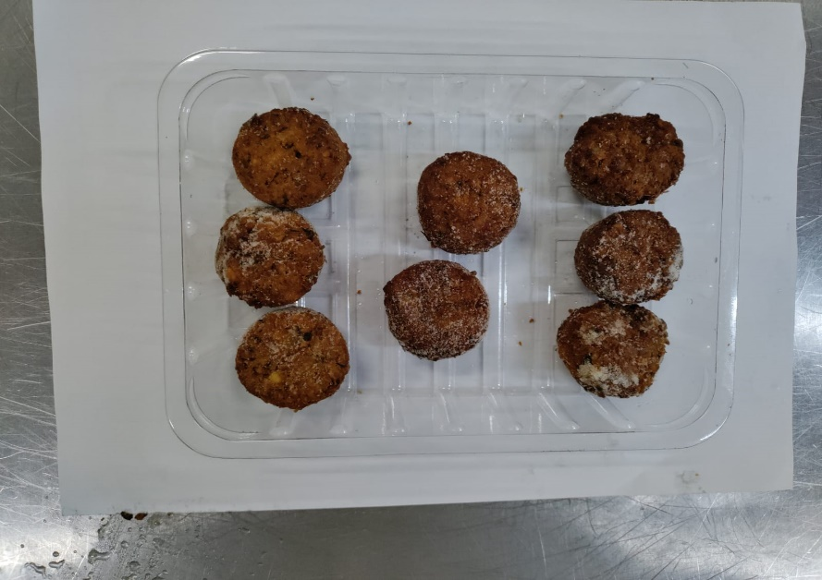

8 x VEGETABLE SAMOSA (GFF003R) 25g: (200g) |  |  |  |  | 8 x SWEET POTATO FALAFEL (GFF297R) 20g: (160g)
Tray: SK4 - Plain Clear (PKESS001-07) |  |  |  |  | Tray: SK4 - Split (PKESS001-06)
Film: ME410AFV2 (PKPRO001-10) |  |  |  |  | Film: ME410AFV2 (PKPRO001-10)
Allergens: wheat |  |  |  |  | Allergens: none

